Cross head Salvage (REv)
PT SAPTAINDRA SEJATI
PLANT REBUILD CENTER

 |  |  |  |  |  |  |  | SALVAGE CROSS HEAD PROCESS
 |  |  |  |  |  |  |  | INSPECTION CHECKSHEET

WO NUMBER |  |  |  | PART NAME |  |  |  |  | CROSS HEAD |  |  | DOCUMENT NO. |  |  |  |  | RC/QA/EG/371
ENGINE MODEL |  |  | SA6D170-3 | PART NUMBER |  |  |  |  |  |  |  | PUBL. DATE |  |  |  |  | 01/08/2008
ENGINE S/N |  |  |  | START DATE / TIME |  |  |  |  |  |  |  | REVISION NO. |  |  |  |  | 01
MACHINE MODEL |  |  |  | FINISH DATE / TIME |  |  |  |  |  |  |  | PAGE |  |  |  |  | 1 of 1

SKETCH DRAWING

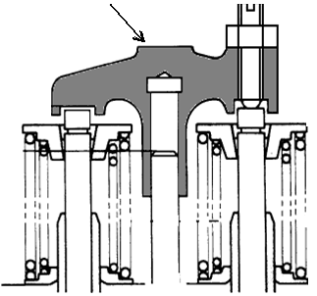
 |  |  |  |  |  |  |  |  | MECHANIC NAME

 |  |  |  |  |  |  |  |  | VISUAL CHECK |  |  |  | MECHANIC |  |  |  |  | GL/QA
 |  |  |  |  |  |  |  |  |  |  |  |  | OK |  | NOT OK |  |  | OK | NOT OK
 |  |  |  |  |  |  |  |  | CRACK HAS BEEN CHECKED
 |  |  |  |  |  |  |  |  | CHECK THREAD OF CROSSHEAD
 |  |  |  |  |  |  |  |  | CHECK THREAD OF SCREW
 |  |  |  |  |  |  |  |  | CHECK THREAD OF NUT

 |  |  |  |  |  |  |  |  | MAN HOURS UTILIZATION
 |  |  |  |  |  |  |  |  | PROCESS |  | START |  |  | FINISH |  |  |  | MAN HOURS
 |  |  |  |  |  |  |  |  | Polishing
 |  |  |  |  |  |  |  |  | Measuring
 |  |  |  |  |  |  |  |  | TOTAL
 | Standard
 | Upper pad portion : Free from Wear |  |  |  |  |  | Physical Data
 |  |  |  |  |  |  | No. | Part Number |  | Part Name |  |  |  | Qty |  | New |  | Reuse
 |  |  |  |  |  |  | 1 |  |  | Cross head
 |  |  |  |  |  |  | 2 |  |  | Screw
 |  |  |  |  |  |  | 3 |  |  | Nut

MECHANIC INSPECTION COMMENT :

 |  | INSPECTION BY |  |  |  | INSPECTION & APPROVED BY

 |  | MECHANIC |  |  | QUALITY ASSURANCE (QA) |  |  |  |  |  |  |  | GL/SPV PRODUCTION

